page 1
Year | Company | Brand | Order Size Bin
None | None | None | None
2000
Total Orders

Report sending Master Details |  |  |  |  |  | Report receving Master Detail
Click on any cell of the table to change the detail filtering of the adjecent report
 |  |  |  |  |  | Company | Genmind Corp | Brand | BizTech | Per Name Year | 2008
 |  | BizTech | FunPod | HomeView | Revenue | 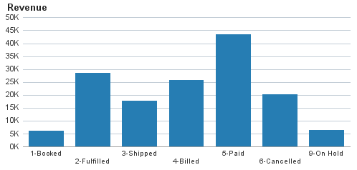
Genmind Corp | 2008 | 147,417 | 141,733 |  | 289,150
 | 2009 | 146,640 | 152,122 |  | 298,762 | Company | Genmind Corp | Brand | BizTech | Per Name Year | 2010
 | 2010 | 254,013 | 106,563 |  | 360,576 | Revenue
Stockplus Inc. | 2008 | 262,639 | 169,320 | 166,243 | 598,202 | Qtr # | Q1 | Q2 | Q3 | Q4 | Grand Total
 | 2009 | 323,091 | 184,107 | 191,754 | 698,951 | 1-Booked | 5,566 | 5,883 |  | 3,148 | 14,598
 | 2010 | 380,081 | 127,959 | 229,380 | 737,421 | 2-Fulfilled | 11,628 | 8,548 | 6,470 | 18,390 | 45,037
Tescare Ltd. | 2008 | 248,635 | 231,560 | 132,452 | 612,648 | 3-Shipped | 3,803 | 17,657 | 15,840 | 4,607 | 41,908
 | 2009 | 352,095 | 220,437 | 129,755 | 702,287 | 4-Billed | 16,704 | 5,777 | 3,146 | 15,412 | 41,039
 | 2010 | 385,388 | 166,199 | 150,417 | 702,004 | 5-Paid | 17,452 | 36,955 | 21,985 | 11,655 | 88,047
Grand Total |  | 2,500,000 | 1,500,000 | 1,000,000 | 5,000,000 | 6-Cancelled | 3,472 | 1,572 | 2,742 | 5,076 | 12,863
 |  |  |  |  |  | 9-On Hold |  |  | 10,522 |  | 10,522
 |  |  |  |  |  | Grand Total | 58,625 | 76,393 | 60,705 | 58,290 | 254,013

